Weekly Average
Team Name + Nickname |  |  | Average from: |  | 2020-06-15 |  | - |  | 2020-06-16

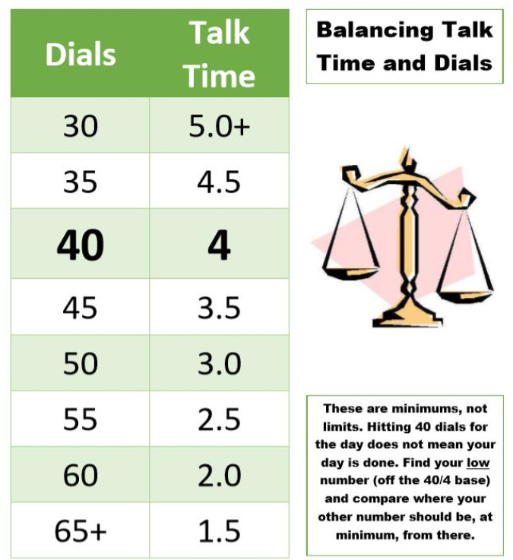
 |  |  | On-Queue | Inbound | Dials |  |  | Hours |  |  | Lives Changed
 | Days Worked: | Enrollment Counselor: |  |  |  | Needed Based on Hours |  |  | Needed Based on Dials | Weekly Dials & Hours % To Goal | Per Day | Week to date | Goal:
 | 5.25 | EC 1 | 5:04:43 | 5.2 | 42 | 49 |  | 3:06:12 | 3:50:00 | 83% | 1.3 | 7 |  | > | 130%
 | 6.00 | EC 2 | 5:01:10 | 6.5 | 48 | 41 |  | 3:52:54 | 3:14:00 | 118% | 1.8 | 11 |  | >= | 100%
 | 6.00 | EC 3 | 4:48:37 | 6.3 | 36 | 38 |  | 4:13:43 | 4:22:00 | 97% | 2.2 | 13 |  | < | 100%
 | 5.00 | EC 4 | 4:01:24 | 5.2 | 38 | 35 |  | 4:30:47 | 4:10:48 | 109% | 1.8 | 9 |  | < | 70%
 | 5.00 | EC 5 | 3:58:43 | 5.6 | 26 | 44 |  | 3:35:27 | 5:00:00 | 65% | 2.4 | 12 |  | < | 50%
 | 5.00 | EC 6 | 5:04:53 | 6.0 | 17 | 39 |  | 4:04:07 | 5:00:00 | 63% | 3.2 | 16 |  | < | 30%
 | 6.00 | EC 7 | 5:12:48 | 5.0 | 27 | 50 |  | 2:57:49 | 5:00:00 | 56% | 2.3 | 14
 | 3.75 | EC 8 | 2:59:30 | 6.3 | 46 | 48 |  | 3:13:03 | 3:27:00 | 94% | 1.6 | 6
 | 5.75 | EC 9 | 4:18:26 | 6.2 | 39 | 56 |  | 2:23:17 | 4:05:00 | 64% | 1.4 | 8
 | 3.00 | EC 10 | 3:48:51 | 5.7 | 41 | 48 |  | 3:13:54 | 3:56:00 | 84% | 1.7 | 5
 | 4.00 | EC 11 | 4:57:10 | 5.8 | 44 | 53 |  | 2:44:17 | 3:34:30 | 80% | 1.8 | 7
 | 4.25 | EC 12 | 5:18:22 | 6.2 | 35 | 39 |  | 4:06:43 | 4:31:12 | 90% | 1.6 | 7
 | 5.00 | EC 13 | 4:39:03 | 4.2 | 35 | 43 |  | 3:41:58 | 4:30:00 | 82% | 1.8 | 9
 | 4.25 | EC 14 | 5:52:13 | 3.2 | 36 | 36 |  | 4:24:20 | 4:26:24 | 99% | 2.1 | 9
 | 6.00 | EC 15 | 4:52:51 | 5.0 | 33 | 52 |  | 2:48:10 | 4:40:00 | 62% | 1.0 | 6

 |  | Team Average: | 4:39:55 | 1900-01-05 11:34:24 | 36 | 45 |  | 3:31:47 | 4:15:08 | 83% | 1.9 | 139

